Sheet1
 | Client Command Table for A9

 | Use this table to help you design your program. Add rows as needed. | Use this column to describe when and what your LCD display changes to for rows like DISPLAY_ROW_CONNECTION | Use this column to denote if BT stack events cause your state machine to advance, you can put an X in the cell to note this. Drawing a bubble diagram of your state machine might also be a good idea 👍. | Commands that may be useful: sl_bt_gatt_discover_primary_services_by_uuid() sl_bt_gatt_discover_characteristics_by_uuid() Yellow- server, green - client
 | Event | LCD Display State | Advances State Machine | Commands called in response to event | Notes
Events Common to Slaves/Clients
 | sl_bt_evt_system_boot_id | Server, server address. Advertising, A9 |  | sl_bt_system_get_identity_address | Gets server address
 |  |  |  | sl_bt_advertiser_create_set | Create an advertising set
 |  |  |  | sl_bt_advertiser_set_timing | Set the advertising timing parameters of the given advertising set
 |  |  |  | sl_bt_advertiser_start | Starts Advertising
 |  |  |  | sl_bt_sm_delete_bondings | Delete all bonding information
 |  |  |  | sl_bt_sm_configure | Configure security requirements and I/O capabilities of the system

 |  | Client, Client address, Discovering and A9 |  | sl_bt_system_get_identity_address | Gets client address
 |  |  |  | sl_bt_scanner_set_mode | Start the GAP discovery procedure to scan for advertising devices on the specified scanning PHYs.
 |  |  |  | sl_bt_scanner_set_timing | Set the scanning timing parameters on the specified PHYs
 |  |  |  | sl_bt_connection_set_default_parameters | Set the default Bluetooth connection parameters.
 |  |  |  | sl_bt_scanner_start | You should start and stop scanning just like you did with advertising for a Server.
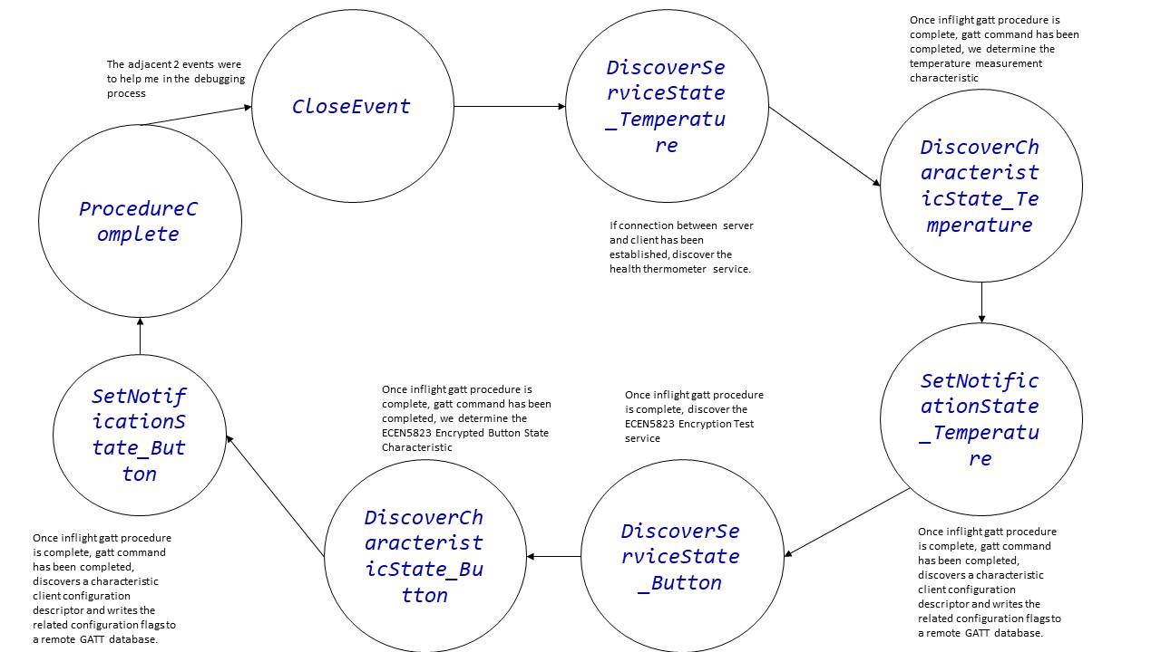
 |  |  |  | sl_bt_sm_delete_bondings | Delete all bonding information
 |  |  |  | sl_bt_sm_configure | Configure security requirements and I/O capabilities of the system

 | sl_bt_evt_connection_opened_id | Connected | x | sl_bt_connection_set_parameters | Request a change in the connection parameters of a Bluetooth connection
 |  |  |  | sl_bt_advertiser_stop | Stop advertising

 |  | Handling Indications

 | sl_bt_evt_connection_closed_id | Advertising |  | sl_bt_advertiser_start | Starts advertising again
 |  |  |  | sl_bt_sm_delete_bondings | Delete all bonding information

 |  | Discovering |  | sl_bt_scanner_start | Starts scanning again
 |  |  |  | sl_bt_sm_delete_bondings | Delete all bonding information

 | sl_bt_evt_system_external_signal_id | Button Pressed |  | sl_bt_gatt_server_write_attribute_value | Write the value of an attribute in the local GATT database.
 |  | Button Released |  | sl_bt_sm_passkey_confirm | Accept or reject the reported passkey confirm value.
 |  |  |  | sl_bt_gatt_server_send_indication | Send an indication to a remote GATT client.

 |  | Button Pressed |  | sl_bt_gatt_set_characteristic_notification | Enable or disable the notifications and indications sent from a remote GATT server.
 |  | Button Released |  | sl_bt_gatt_read_characteristic_value | Read the value of a characteristic from a remote GATT database.

 | sl_bt_evt_sm_confirm_bonding_id |  |  | sl_bt_sm_bonding_confirm | Accept or reject the bonding request

Events for only masters/clients | sl_bt_evt_scanner_scan_report_id | Displays Client, Server address, Client address, Connected |  | sl_bt_scanner_stop | Stop scanning for advertising devices.
 |  |  |  | sl_bt_connection_open

 | sl_bt_evt_gatt_procedure_completed_id |  | x | sl_bt_sm_increase_security | Call incease security if procedure returns error code 0x110F

 | sl_bt_evt_gatt_service_id |  | x | Save discovered service | Save connectionHandle and newly discovered service Handle.
 |  |  |  | Save discovered characterisitic value
 | sl_bt_evt_gatt_characteristic_id |  | x |  | Save connectionHandle and newly discovered characteristic Handle

 | sl_bt_evt_gatt_characteristic_value_id | Temperature value, Button pressed and Button released |  | sl_bt_gatt_send_characteristic_confirmation | Send a confirmation to a remote GATT server after receiving a characteristic indication.

 | sl_bt_evt_gatt_server_characteristic_status_id |  |  |  | Turn on and off htm and btn state indications and respective LED lights

 | sl_bt_evt_sm_confirm_passkey_id | Passkey and the confirm with PB0

 | sl_bt_evt_sm_bonded_id | Bonded

 | sl_bt_evt_connection_parameters_id | Display specific parameters |  |  | To display specific parameters

